Sheet1
Data Visualization - Scroll and Zoom Function with Form Control

 | Completed | Requested
January | 2284 | 3602
February | 2343 | 1655
March | 1607 | 1719
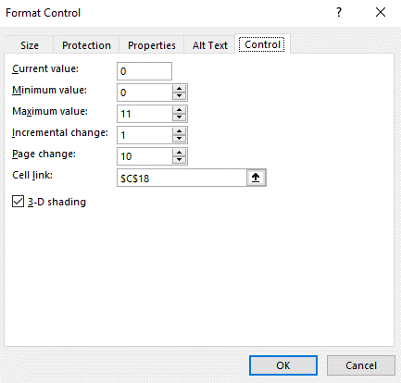
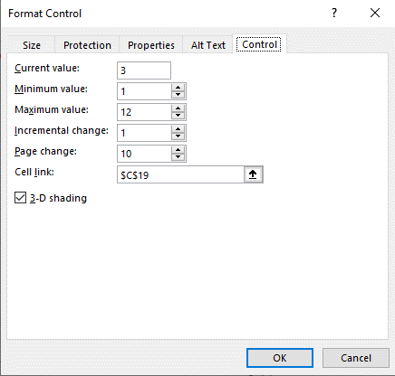
Date | Requested | Completed |  | Scroll Form Control Properties |  |  | Zoom Form Control Properties
January | 3602 | 2284
February | 1655 | 2343
March | 1719 | 1607
April | 918 | 1080
May | 1292 | 1642
June | 1869 | 2515
July | 2140 | 1214
August | 4664 | 3547
September | 2558 | 1778
October | 2374 | 1621
November | 1540 | 548
December | 1800 | 1600

Scroll Index | 0
Zoom index | 3
Max Scroll | 0

 |  |  | Scroll
 |  |  |  | Dynamic Defined Names
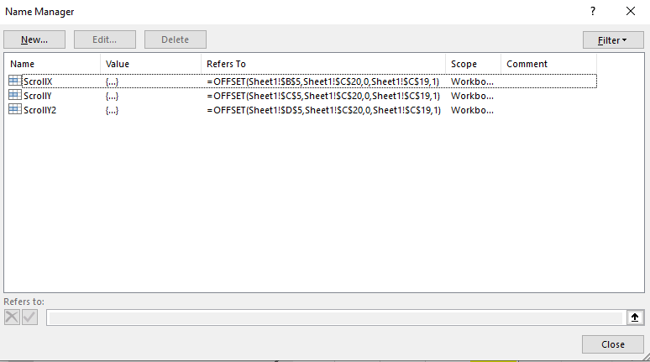
 |  |  | Zoom

 |  |  |  | Chart Data Source
 |  |  |  |  | Format: | "=[Filename][Defined Name]
 |  |  |  | Requested Column
 |  |  |  | Series Value: |  | "='Data Visualization - Scroll and Zoom Function with Form Control.xlsx'!ScrollY"
 |  |  |  | Axis Label Range: |  | "='Data Visualization - Scroll and Zoom Function with Form Control.xlsx'!ScrollX"

 |  |  |  | Completed Column
 |  |  |  | Series Value: |  | "='Data Visualization - Scroll and Zoom Function with Form Control.xlsx'!ScrollY2"
 |  |  |  | Axis Label Range: |  | "='Data Visualization - Scroll and Zoom Function with Form Control.xlsx'!ScrollX"

Sheet2
Dynamic Table and Chart Scrolling

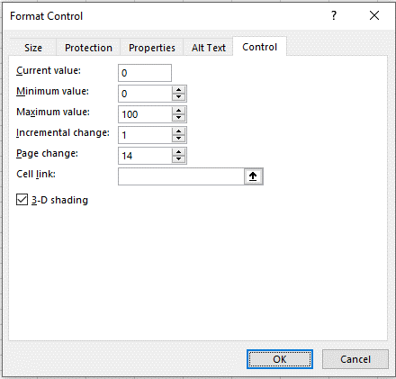
Original Data (Can be hidden) |  | Scrolling Data
Date | Hardware Count | Date | Hardware Count
2019-08-01 | 12 | 2019-08-01 | 12
2019-08-02 | 14 | 2019-08-02 | 14
2019-08-03 | 1 | 2019-08-03 | 1
2019-08-04 | 1 | 2019-08-04 | 1
2019-08-05 | 27 | 2019-08-05 | 27
2019-08-06 | 17 | 2019-08-06 | 17
2019-08-07 | 20 | 2019-08-07 | 20
2019-08-08 | 4 | 2019-08-08 | 4
2019-08-09 | 8 | 2019-08-09 | 8
2019-08-10 | 5 | 2019-08-10 | 5
2019-08-11 | 3 | 2019-08-11 | 3
2019-08-12 | 19 | 2019-08-12 | 19
2019-08-13 | 13 | 2019-08-13 | 13
2019-08-14 | 23 | 2019-08-14 | 23
2019-08-15 | 15
2019-08-16 | 34 | Scroll Reference |  | 1
2019-08-17 | 3
2019-08-18 | 5
2019-08-19 | 17
2019-08-20 | 9
2019-08-21 | 9
2019-08-22 | 10
2019-08-23 | 5
2019-08-24 | 3
2019-08-25 | 17
2019-08-26 | 23
2019-08-27 | 23
2019-08-28 | 10
2019-08-29 | 10
2019-08-30 | 8
2019-08-31 | 3
2019-09-01 | 4
2019-09-02 | 10
2019-09-03 | 36
2019-09-04 | 9
2019-09-05 | 24
2019-09-06 | 18
2019-09-08 | 10
2019-09-09 | 19
2019-09-10 | 10
2019-09-11 | 8
2019-09-12 | 25
2019-09-13 | 11
2019-09-14 | 5
2019-09-15 | 3
2019-09-16 | 12
2019-09-17 | 17
2019-09-18 | 11
2019-09-19 | 7
2019-09-20 | 22
2019-09-21 | 2
2019-09-22 | 3
2019-09-23 | 10
2019-09-24 | 18
2019-09-25 | 10
2019-09-26 | 11
2019-09-27 | 14
2019-09-28 | 20
2019-09-29 | 1
2019-09-30 | 15
2019-10-01 | 12
2019-10-02 | 5
2019-10-03 | 6
2019-10-04 | 4
2019-10-06 | 5
2019-10-07 | 5
2019-10-08 | 9
2019-10-09 | 10
2019-10-10 | 8
2019-10-11 | 6
2019-10-13 | 1
2019-10-14 | 8
2019-10-15 | 10
2019-10-16 | 3
2019-10-17 | 5
2019-10-18 | 14
2019-10-19 | 1
2019-10-20 | 2
2019-10-21 | 11
2019-10-22 | 26
2019-10-23 | 10
2019-10-24 | 3
2019-10-25 | 5
2019-10-26 | 3
2019-10-27 | 4
2019-10-28 | 7
2019-10-29 | 8
2019-10-30 | 3
2019-10-31 | 9

